fast mul
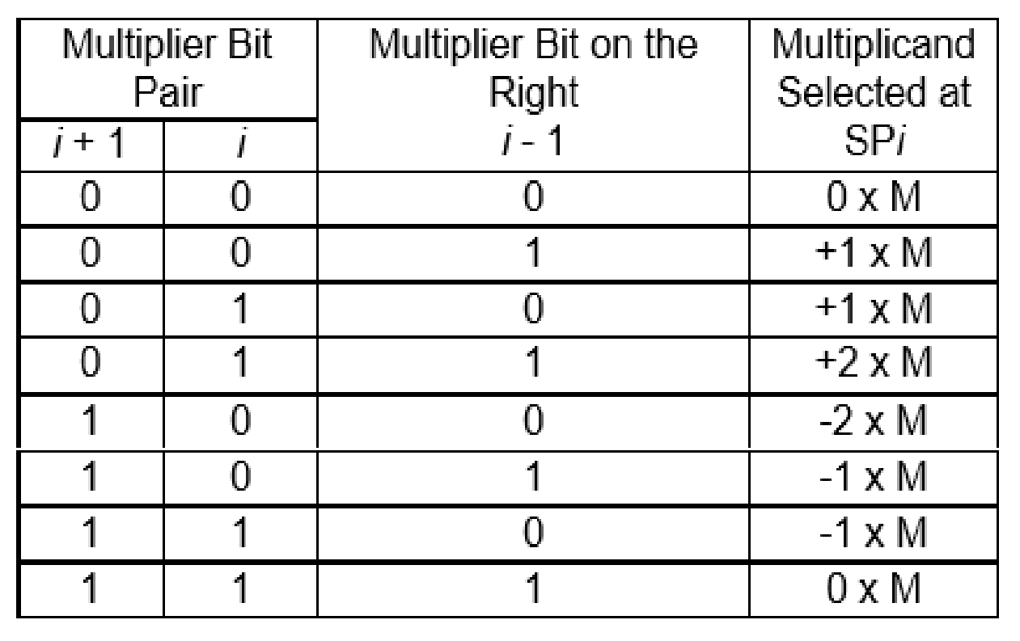
+1 = 0 1 1 1 1 (copy or multiply the binary)
0 = 0 0 0 0 0
-1 = 10001 (2’s compliment the multiplicand)
+2 = multiplicand will be multiplied by ( 1 0)
-2 = 10001 (2’s compliment the multiplicand then mulply by (1 0))

 |  |  |  |  |  | 0 | 1 | 1 | 1 | 1 |  |  | 15 | 01111
 |  |  |  |  |  | +1 |  | -1 |  | +1 |  |  | 13 | 0011010
 | 0 | 0 | 0 | 0 | 0 | 0 | 1 | 1 | 1 | 1 |  |  | 195
 | 1 | 1 | 1 | 1 | 0 | 0 | 0 | 1
 | 0 | 0 | 1 | 1 | 1 | 1
1 | 0 | 0 | 1 | 1 | 0 | 0 | 0 | 0 | 1 | 1 |  |  |  | 11000011

 |  |  |  |  |  | 0 | 0 | 1 | 1 | 1 |  |  | 7 | 0111
 |  |  |  |  |  | 0 | 0 | 1 | 1 | 1 |  |  | 7 | 0111
 |  |  |  |  |  |  |  |  |  |  |  |  | 49

 |  |  |  |  | 0 | 0 | 0 | 1 | 1 | 1 | 0

 |  |  |  |  |  |  |  |  | 0 | 0 | 0 | 0
 |  |  |  |  |  |  |  |  | 0 | 1 | 1 | +2
 |  |  |  |  |  |  |  |  | 1 | 1 | 0 | -1

 |  |  |  |  |  | 0 | 0 | 1 | 1 | 1
 |  |  |  |  |  | 0 |  | +2 |  | -1
 | 1 | 1 | 1 | 1 | 1 | 1 | 1 | 0 | 0 | 1
 | 0 | 0 | 0 | 0 | 1 | 1 | 1 | 0 |  |  |  |  |  |  | 0 | 0 | 1 | 1 | 1
 | 0 | 0 | 0 | 0 | 0 | 0 |  |  |  |  |  |  |  |  |  |  |  | 1 | 0
1 | 0 | 0 | 0 | 0 | 1 | 1 | 0 | 0 | 0 | 1 |  | 49 |  |  | 0 | 0 | 0 | 0 | 0
 |  |  |  |  |  |  |  |  |  |  |  |  |  | 0 | 0 | 1 | 1 | 1
 |  |  |  |  |  |  |  |  |  |  |  |  |  | 0 | 0 | 1 | 1 | 1 | 0

restoring div
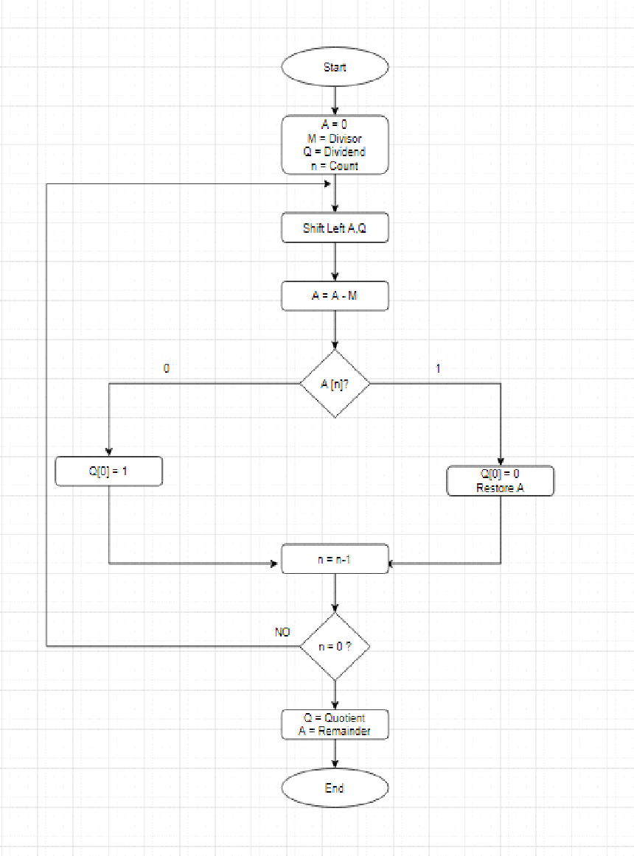
Non-Restoring Division Algorithm

M = 0011 (3) |  |  |  |  |  |  |  |  |  |  |  |  | (-)M = 11101 (-3)

Q = 1011 (11)

n | M |  |  |  |  |  | A |  |  |  |  | Q |  |  |  | Action/Operation
4 | 0 | 0 | 0 | 1 | 1 |  | 0 | 0 | 0 | 0 | 0 | 1 | 0 | 1 | 1 | Initialization
 |  |  |  |  |  |  | 0 | 0 | 0 | 0 | 1 | 0 | 1 | 1 |  | Shift Left A,Q

 |  |  |  |  |  |  | 0 | 0 | 0 | 0 | 1
 |  |  |  |  |  |  | 1 | 1 | 1 | 0 | 1
 |  |  |  |  |  |  | 1 | 1 | 1 | 1 | 0 |  |  |  |  | A = A-M
 |  |  |  |  |  |  |  |  |  |  |  | 0 | 1 | 1 | 0 | Q [0] = 0

3 |  |  |  |  |  |  | 1 | 1 | 1 | 1 | 0 | 0 | 1 | 1 | 0 | Restore A / n = n -1
 |  |  |  |  |  |  | 1 | 1 | 1 | 0 | 0 | 1 | 1 | 0 |  | Shift Left A,Q

 |  |  |  |  |  |  | 1 | 1 | 1 | 0 | 0
 |  |  |  |  |  |  | 0 | 0 | 0 | 1 | 1
 |  |  |  |  |  |  | 1 | 1 | 1 | 1 | 1 |  |  |  |  | A = A + M
 |  |  |  |  |  |  |  |  |  |  |  | 1 | 1 | 0 | 0 | Q [0] = 0

2 |  |  |  |  |  |  | 1 | 1 | 1 | 1 | 1 | 1 | 1 | 0 | 0 | Restore A / n = n -1
 |  |  |  |  |  |  | 1 | 1 | 1 | 1 | 1 | 1 | 0 | 0 |  | Shift Left A,Q

 |  |  |  |  |  |  | 1 | 1 | 1 | 1 | 1
 |  |  |  |  |  |  | 0 | 0 | 0 | 1 | 1
 |  |  |  |  |  | 1 | 0 | 0 | 0 | 1 | 0 |  |  |  |  | A = A + M
 |  |  |  |  |  |  |  |  |  |  |  | 1 | 0 | 0 | 1 | Q[0] = 1

1 |  |  |  |  |  |  | 0 | 0 | 0 | 1 | 0 | 1 | 0 | 0 | 1 | Restore A / n = n -1
 |  |  |  |  |  |  | 0 | 0 | 1 | 0 | 1 | 0 | 0 | 1 |  | Shift Left A,Q

 |  |  |  |  |  |  | 0 | 0 | 1 | 0 | 1
 |  |  |  |  |  |  | 1 | 1 | 1 | 0 | 1
 |  |  |  |  |  | 1 | 0 | 0 | 0 | 1 | 0 |  |  |  |  | A = A - M
 |  |  |  |  |  |  |  |  |  |  |  | 0 | 0 | 1 | 1 | Q[0] = 1
0 |  |  |  |  |  |  | 0 | 0 | 0 | 1 | 0 | 0 | 0 | 1 | 1 | n = n -1
 |  |  |  |  |  |  | A = 2 |  |  |  |  | Q = 3
 |  |  |  |  |  |  |  |  | 3r 2

